Sheet2
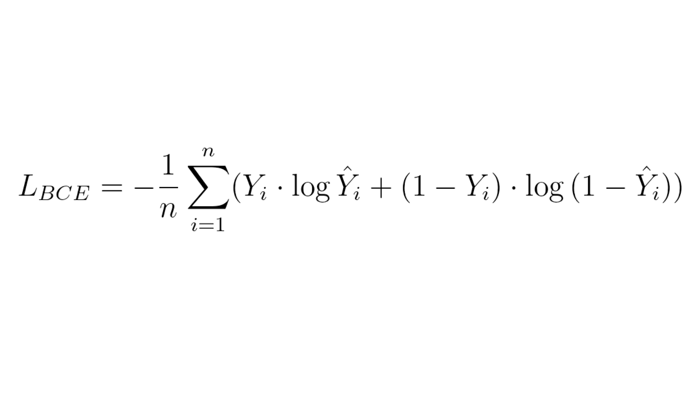
Actual | Probability | Binary Cross entropy
1 | 0.85 | 0.2345
0 | 0.1 | 0.1520
0 | 0.05 | 0.0740
1 | 0.98 | 0.0291
1 | 0.1 | 3.3219
0 | 0.82 | 2.4739

 | BCE | 1.0476
 | Log Loss

